GP.0007
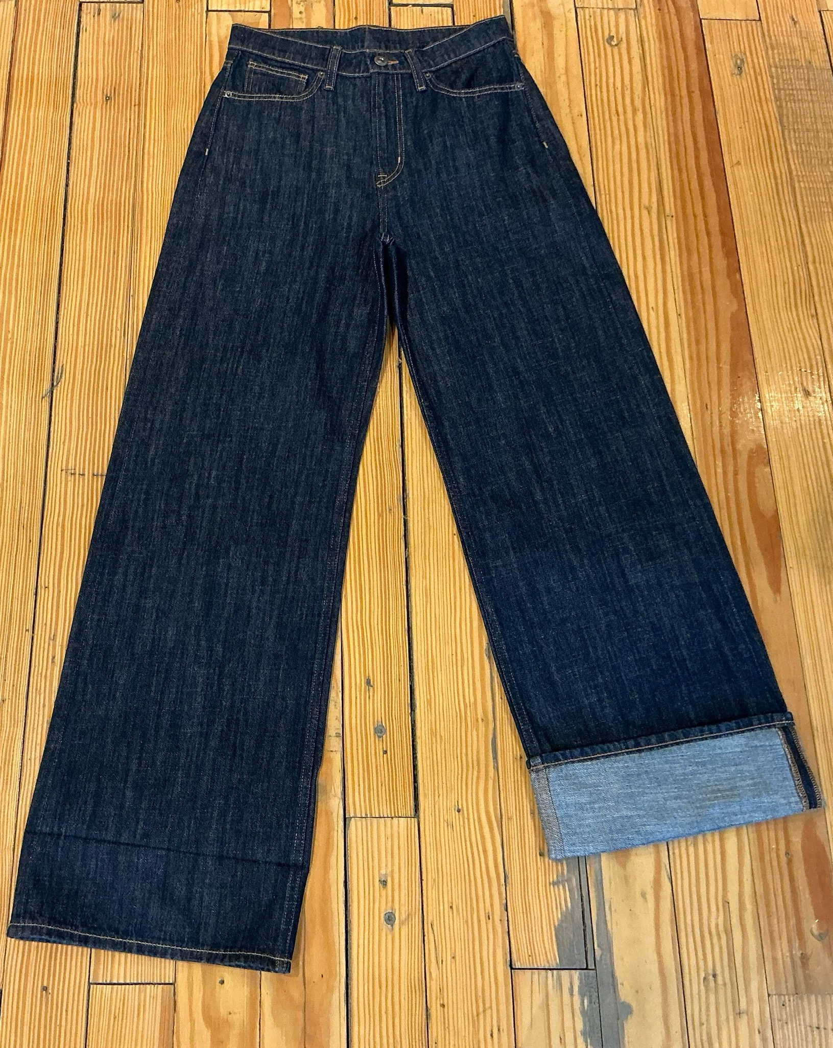
dcr
DATE | 2025-07-26 |  |  | WASH:CODE |  | GP.0007
FINISHER:CODE | WW DARK GISELE |  |  |  |  | DRYPROCESS.AND WET PROCES
MODEL:CODE | D64873 SEMI FITTED
SAP CODE | 60121217
FABRIC:CODE | ARTISTIC ZYRA CW INDIGO
FABRIC:CODE | OBSIDIAN AMX 5021 V NF
QUANTITY | 1 PCS
ROLL:CODE | ROLL:X
FAB. WEIGHT
UNITS
TYPE MACHINE
DRYING TIME (Min.) :
COMMENTS:
PAGE | RAW WASH |  |  | WASH:SUPERVISOR:ATIF HOSSAM
 | E | of | 1 |  |  |  | Supplier | PH Value
ACTION | TIME | TEMP | Liters | AMT | UNITS | Chemicals
 | WASH ASPER.ORJ

COUSTIC. CLEAN UP | 5 | 50 | 60 | 1 | K/G | PEROXIDE
 |  |  |  | 120 | GRM | LAVA SPERSE
 |  |  |  | 120 | GRM | NEAR CAND OP EXTRA
RINSE | 2 | RT | 100 | 120 | GRM | COUSTIC SODA

NEUTRALIZATION | 3 | RT | 60 | 120 | GRM | A.ACID
RINSE x2 | 2 | RT | 100

BIOPOLISHING | 5 | 55 | 60 | 120 | GRM | LAVA CELL BNG
 |  |  |  | 60 | GRM | A.ACID. PH/55
RINSE | 2 | RT | 100

WASH SOFT | 5 | 35 | 60 | 2 | K/G | NEARSopht/WO3
EXTRACT&DRY |  |  |  | 60 | GRM | A.ACID. PH/5

